Teaching Excellence
 |  |  | Bug Report - Teaching Excellence
No | Title | Bug Description | Steps to Reproduce | Expected Result | Actual result | Priority | Severity | Screenshots |  | Status | Remark
1 | Breadcrumb is spelled wrong | In the Bread crumb 'Teaching Excellence' is spelled as 'Teaching Excellance' | 1.Open the URL http://localhost:3000/admin/dashboard 2.Enter valid username and valid password. 3.Click on Dasboard option in the left column. 3.Click Research Tile 4.Click Teaching Excellence Tile | Bread crumb should be spelled as 'Teaching Excellence' | Bread crumb is spelled as 'Teaching Excellance' | Medium | Low | 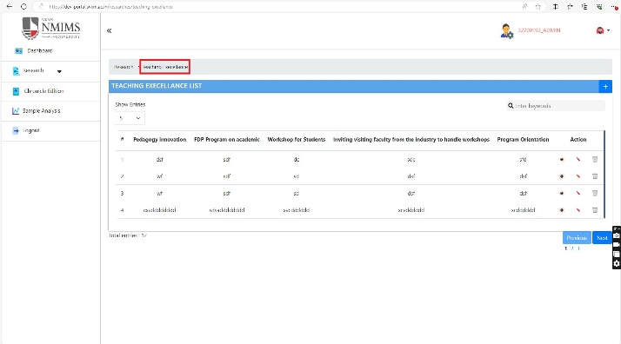 |  | Done
2 | Section Title on the main page is spelled wrong | In the Section Title 'Teaching Excellence' is spelled as 'Teaching Excellance' | 1.Open the URL http://localhost:3000/admin/dashboard 2.Enter valid username and valid password. 3.Click on Dasboard option in the left column. 3.Click Research Tile 4.Click Teaching Excellence Tile | Section Title should be spelled as 'Teaching Excellence' | Section Title is spelled as 'Teaching Excellance' | Medium | 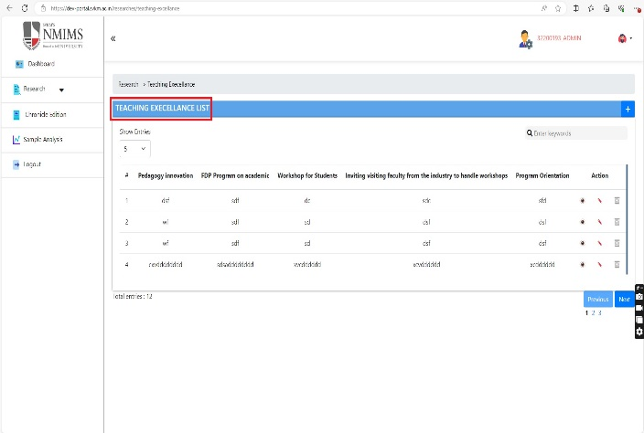 Low |  |  | Done
3 | field not present | Description field not present in the Teaching Excellence form as per the document | 1.Open the URL http://localhost:3000/admin/dashboard 2.Enter valid username and valid password. 3.Click on Dasboard option in the left column. 3.Click Research Tile 4.Click Teaching Excellence Tile 5.Click on the Add button | Description field should be present in the Teaching Excellence form as per the document | Description field is not present in the Teaching Excellence form as per the document | High | Low | 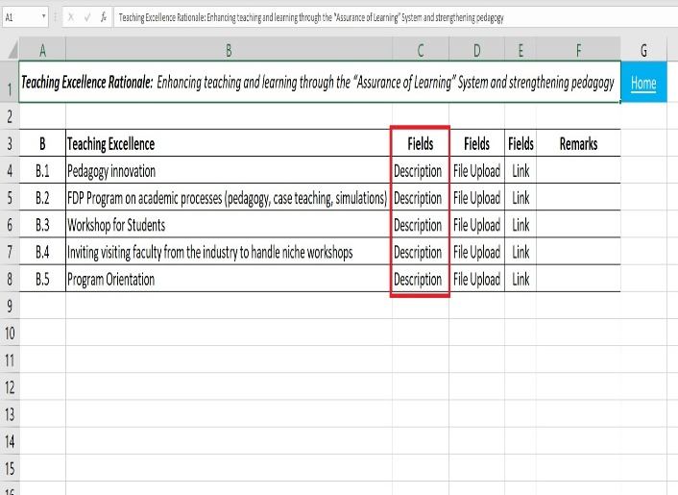 | 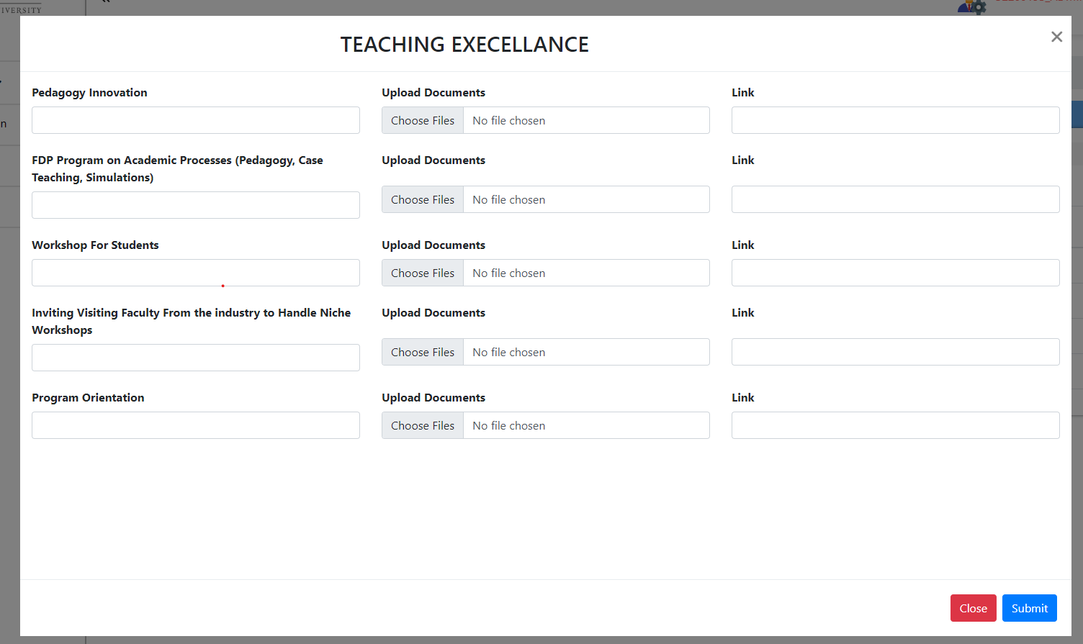 | Done
4 | Title is spelled wrong in the form | Title of the form 'Teaching Excellence' is spelled as 'Teaching Excellance' | 1.Open the URL http://localhost:3000/admin/dashboard 2.Enter valid username and valid password. 3.Click on Dasboard option in the left column. 3.Click Research Tile 4.Click Teaching Excellence Tile 5.Click on the Add button | Title of the form should be spelled as 'Teaching Excellence' | Title of the form 'Teaching Excellence' is spelled as 'Teaching Excellance' | Medium | Low | 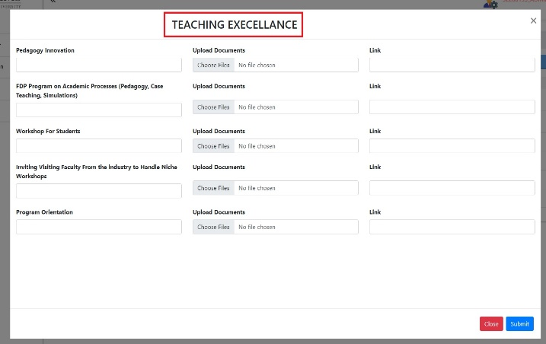 |  | Done
5 | Submit button is not responding |  |  |  |  | High |  |  |  | submit button is not responding
6 | NO success message when clicked on submit button | When the form is filled with valid data and clicked on submit button then no success message is displayed on screen even if the entry is created | 1.Open the URL http://localhost:3000/admin/dashboard 2.Enter valid username and valid password. 3.Click on Dasboard option in the left column. 3.Click Research Tile 4.Click Teaching Excellence Tile 5.Click on the Add button 6.Fill the form with valid data and click on submit button | success message should be displayed on screen | success message is not displayed on screen | Medium | Low |  |  | Done
9 | No Error shown when uploaded zip, jar, rar files and are allowed to upload in the form | When we try to upload zip, jar, rar files in the form, no error message is shown for these type of files and are also allowed to upload the file | 1.Open the URL http://localhost:3000/admin/dashboard 2.Enter valid username and valid password. 3.Click on Dasboard option in the left column. 3.Click Research Tile 4.Click Teaching Excellence Tile 5.Click on the Add button 6.Upload zip, jar, rar files in the file upload field and fill other fields in the form with valid data | Error should be shown when uploaded zip, jar, rar files | Error shown when uploaded zip, jar, rar files | High | High | 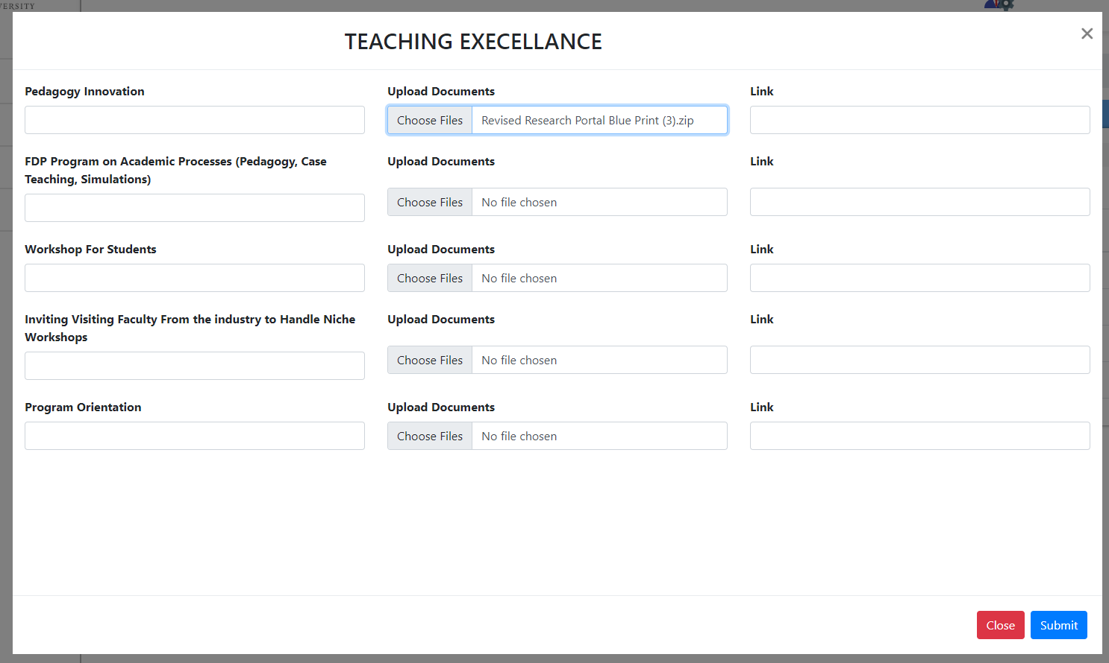 |  | No file type specified by the user
10 | Entries do not reflect dynamically on the main page | Entries do not reflect dynamically on the main page when created from the form | 1.Open the URL http://localhost:3000/admin/dashboard 2.Enter valid username and valid password. 3.Click on Dasboard option in the left column. 3.Click Research Tile 4.Click Teaching Excellence Tile 5.Click on the Add button 6.Fill the form with valid data and click on submit button | Entries should reflect dynamically on the main page | Entries do not reflect dynamically on the main page | Medium | Low |  |  | Done
11 | Uploaded files not shown in the edit mode | Uploaded files of an existing entry are not shown in the edit mode | 1.Open the URL http://localhost:3000/admin/dashboard 2.Enter valid username and valid password. 3.Click on Dasboard option in the left column. 3.Click Research Tile 4.Click Teaching Excellence Tile 5.Click on the edit button | Uploaded files of an existing entry should be shown in the edit mode | Uploaded files of an existing entry are not shown in the edit mode | High | Low |  |  | Running
12 | Uploaded files are not downloadable in the view mode | Uploaded files of an existing entry are not downloadable in the view mode | 1.Open the URL http://localhost:3000/admin/dashboard 2.Enter valid username and valid password. 3.Click on Dasboard option in the left column. 3.Click Research Tile 4.Click Teaching Excellence Tile 5.Click on the view button 6.click on the downlaod button for a file | Uploaded files should be downloadable in the view mode | Error is shown and Uploaded files are not downloadable in the view mode | High | Low |  |  | Done
13 | Data in front of the fields is not visible that we enter at the time of creation in the view mode | Data in front of the fields is not visible that we enter at the time of creation in the view mode | 1.Open the URL http://localhost:3000/admin/dashboard 2.Enter valid username and valid password. 3.Click on Dasboard option in the left column. 3.Click Research Tile 4.Click Teaching Excellence Tile 5.Click on the view button | Data in front of the fields should be visible that we enter at the time of creation in the view mode | Data in front of the fields is not visible that we enter at the time of creation in the view mode | High | Low | 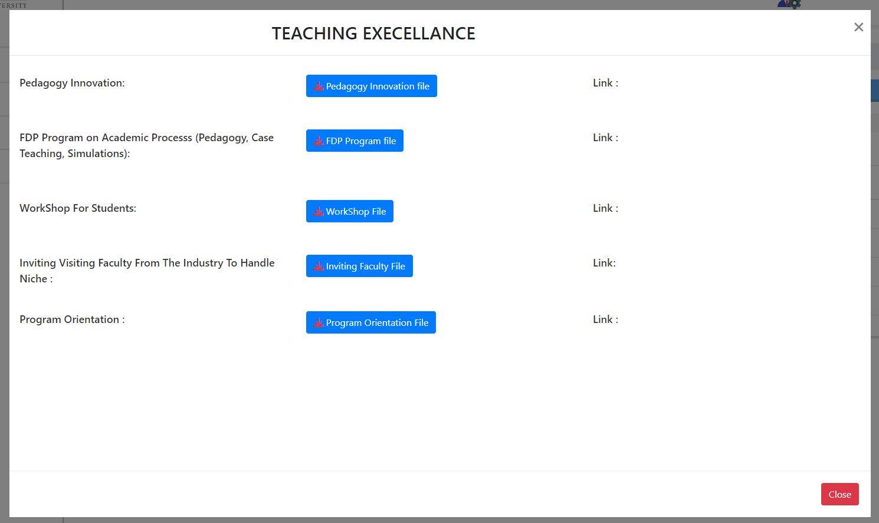 |  | Done
14 | Data in front of the link field is not visible that we enter at the time of creation in the view mode | Data in front of the link field is not visible that we enter at the time of creation in the view mode | 1.Open the URL http://localhost:3000/admin/dashboard 2.Enter valid username and valid password. 3.Click on Dasboard option in the left column. 3.Click Research Tile 4.Click Teaching Excellence Tile 5.Click on the view button | Data in front of the link field should be visible that we enter at the time of creation in the view mode | Data in front of the link field is not visible that we enter at the time of creation in the view mode | High | Low |  |  | Done
15 | No indication on the window that we are in edit mode | No indication on the window that we are in edit mode | 1.Open the URL http://localhost:3000/admin/dashboard 2.Enter valid username and valid password. 3.Click on Dasboard option in the left column. 3.Click Research Tile 4.Click Teaching Excellence Tile 5.Click on the edit button | Title should be present as 'Edit' in the window | Title is not present as 'Edit' in the window | Medium | Low |  |  | Done
16 | No indication on the window that we are in view mode | No indication on the window that we are in view mode | 1.Open the URL http://localhost:3000/admin/dashboard 2.Enter valid username and valid password. 3.Click on Dasboard option in the left column. 3.Click Research Tile 4.Click Teaching Excellence Tile 5.Click on the view button | Title should be presentas 'View' in the window | Title is not present as 'View' in the window | Medium | Low |  |  | Not Applicable
17 | Data is not shown properly when clicked the 2nd page of the pagination or onwards | Column names disappear when clicked the 2nd page of the pagination or onwards and data is not shown properly | 1.Open the URL http://localhost:3000/admin/dashboard 2.Enter valid username and valid password. 3.Click on Dasboard option in the left column. 3.Click Research Tile 4.Click Teaching Excellence Tile 5.Click on the 2nd page of the pagination | Data should be shown in properly on all the pagination pages | Data is not shown in properly on all the pagination pages | High | Low |  |  | Done
18 | After performing search Data is not shown properly when clicked the 2nd page of the pagination of the pagination or onwards | After performing search Data is not shown properly, Column names disappear when clicked the 2nd page of the pagination or onwards and data is not shown properly | 1.Open the URL http://localhost:3000/admin/dashboard 2.Enter valid username and valid password. 3.Click on Dasboard option in the left column. 3.Click Research Tile 4.Click Teaching Excellence Tile 5.Perform search 5.Click on the 2nd page of the pagination | Data should be shown in properly on all the pagination pages After performing search | Data is not shown in properly on all the pagination pages After performing search | High | Low |  |  | Done
19 | Entries are not according to the option selected from the show button | when clicked on 10 from the show button then 9 entries are displayed on the main page | 1.Open the URL http://localhost:3000/admin/dashboard 2.Enter valid username and valid password. 3.Click on Dasboard option in the left column. 3.Click Research Tile 4.Click Teaching Excellence Tile 5.Perform search 5.Click on the 2nd page of the pagination | Entries should be shown according to the option selected from the show button | Entries are not according to the option selected from the show button | High | Low | 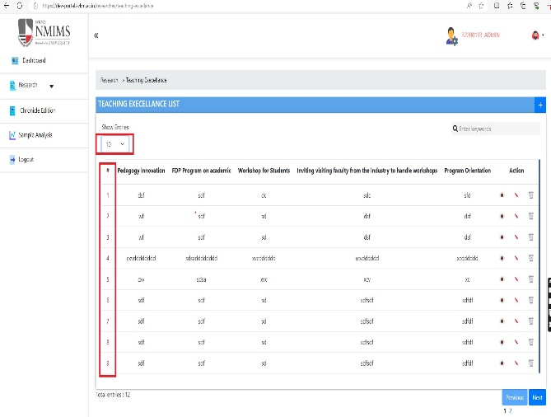 |  | Done
20 | Error under the field is wrong for numbers enter in the field | Error under the field is wrong for numbers enter in the field is shown as 'This field is required and min length > 1.' and should show as 'This field is Alphabetic ' | 1.Open the URL http://localhost:3000/admin/dashboard 2.Enter valid username and valid password. 3.Click on Dasboard option in the left column. 3.Click Research Tile 4.Click Teaching Excellence Tile 6.Click on the Add button 7.Fill the fields with numeric data and click on submit button | Error under the field should be 'This field is Alphabetic ' | Error under the field is 'This field is required and min length > 1.' | Medium | Low | 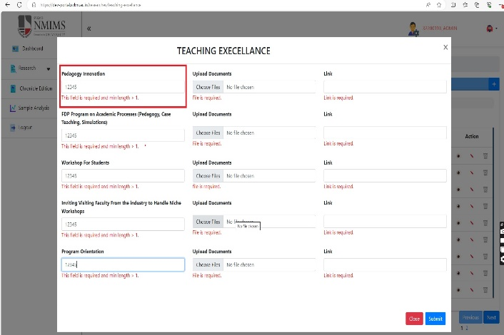 |  | Running
21 | Total count label disappers after performing search | Total count label disappers after performing search | 1.Open the URL http://localhost:3000/admin/dashboard 2.Enter valid username and valid password. 3.Click on Dasboard option in the left column. 3.Click Research Tile 4.Click Teaching Excellence Tile 5.Perform search 5.Click on the 2nd page of the pagination | Total count label should not disapper after performing search | Total count label disappers after performing search | Medium | Low |  |  | Done
22 | Error message under the fields remain when add window is closed and opened again | Error message under the fields remain when add window is closed and opened again | 1.Open the URL http://localhost:3000/admin/dashboard 2.Enter valid username and valid password. 3.Click on Dasboard option in the left column. 3.Click Research Tile 4.Click Teaching Excellence Tile 5.Click on the Add button 6.Do not fill any field and click on submit 7.Click on the Add button again | Error message under the fields should not remain when add window is closed and opened again | Error message under the fields remain when add window is closed and opened again | Medium | Low | 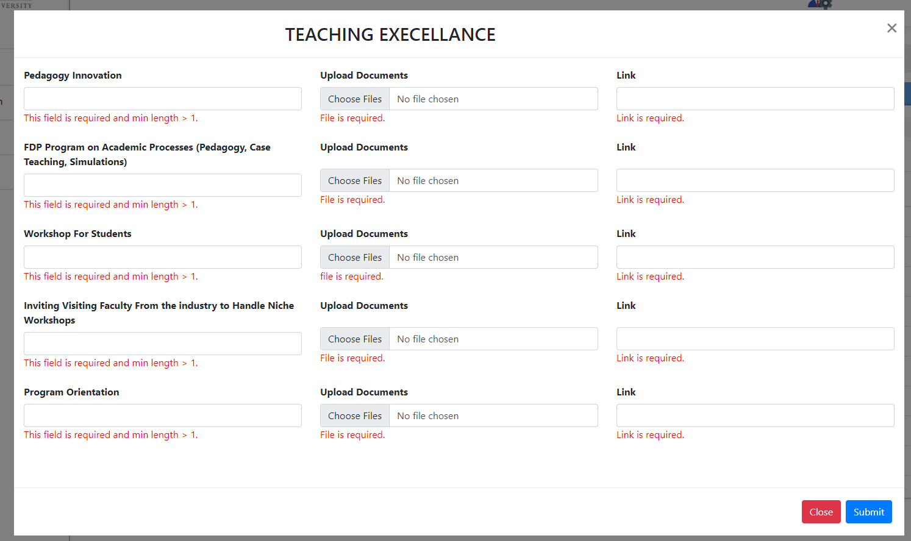 |  | Done
23 | Max size of uploadable file not mentioned in the error under the file upload field | Max size of uploadable file not mentioned in the error under the file upload field | 1.Open the URL http://localhost:3000/admin/dashboard 2.Enter valid username and valid password. 3.Click on Dasboard option in the left column. 3.Click Research Tile 4.Click Teaching Excellence Tile 5.Click on the Add button 6.Do not fill file upload field and click on submit. | Max size of uploadable file should be mentioned in the error under the file upload field | Max size of uploadable file not mentioned in the error under the file upload field | Medium | Low | 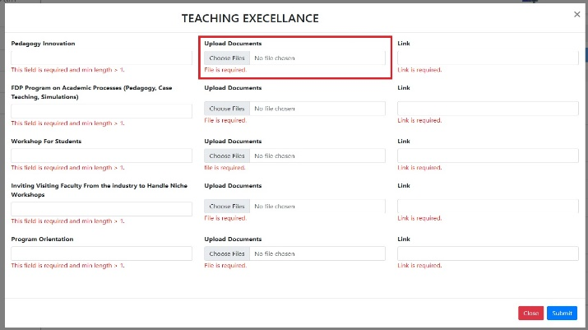 |  | File size is not specified in requirements by user
25 | No validation for link as is in proper format or not | No validation for link as is in proper format or not | 1.Open the URL http://localhost:3000/admin/dashboard 2.Enter valid username and valid password. 3.Click on Dasboard option in the left column. 3.Click Research Tile 4.Click Teaching Excellence Tile 5.Click on the Add button 6.Enter two characters in the link or improper format in the link field and click on submit. | validation for link as is in proper format or not should be there | We can Enter only Two characters No validation for link as is in proper format or not | Medium | Low | 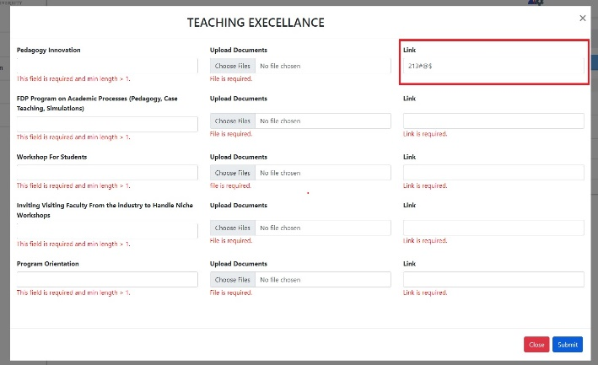
26 | Types of file we can upload is not present in the Error under the File upload field | Types of file we can upload is not present in the Error under the File upload field | 1.Open the URL http://localhost:3000/admin/dashboard 2.Enter valid username and valid password. 3.Click on Dasboard option in the left column. 3.Click Research Tile 4.Click Teaching Excellence Tile 5.Click on the Add button 6.Do not fill file upload field and click on submit. | Types of file we can upload should be present in the Error under the File upload field | Types of file we can upload is not present in the Error under the File upload field | Medium | Low | 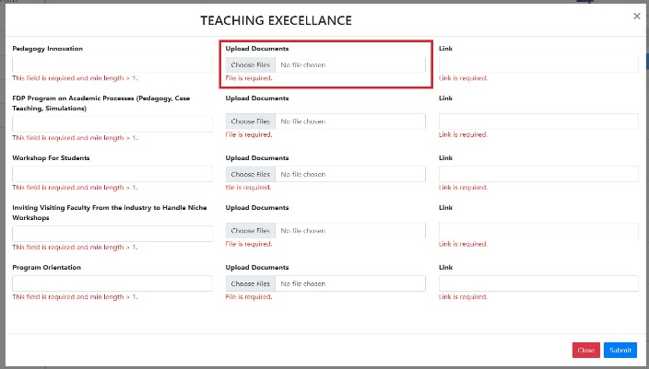 |  | File type requirements not given by user
27 | Alert message window for delete for this module doe not match with other module | Alert message window for delete for this module doe not match with other module | 1.Open the URL http://localhost:3000/admin/dashboard 2.Enter valid username and valid password. 3.Click on Dasboard option in the left column. 3.Click Research Tile 4.Click Teaching Excellence Tile 5.Click on the Add button 6.Do not fill file upload field and click on submit. | It should be same as other modules | It is not same as other modules | Medium | Low |  |  | Done
28 | One extra line comes up when selected option other than 5 from the show button | One extra line comes up when selected option other than 5 from the show button | 1.Open the URL http://localhost:3000/admin/dashboard 2.Enter valid username and valid password. 3.Click on Dasboard option in the left column. 3.Click Research Tile 4.Click Teaching Excellence Tile 5.select any option other than 5 from the show option | One extra line should not come up when selected option other than 5 from the show button | One extra line comes up when selected option other than 5 from the show button | Medium | Low | 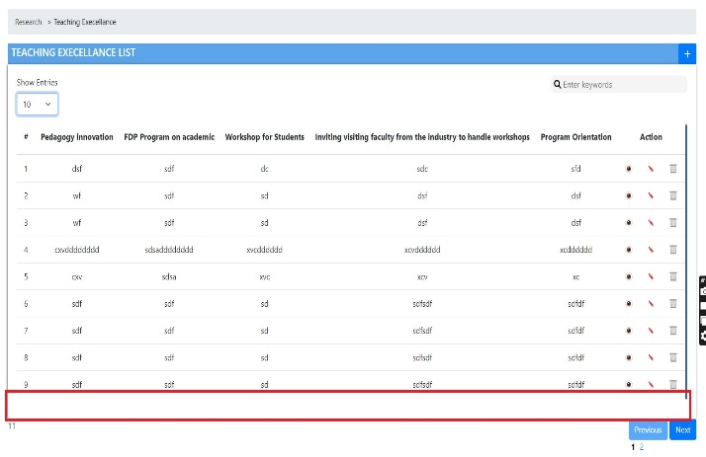 |  | Done

NMIMS Seed Grant Non Pharmacy
 |  |  | Bug Report - NMIMS Seed Grant Non Pharmacy Approval Form
No | Title | Bug Description | Steps to Reproduce | Expected Result | Actual result | Priority | Severity | Screenshots |  | Status | Remark
1 | Title(brief) field is spelled wrong in the form | Title(brief) field is spelled wrong in the form, it is spelled as Title(Brif) | 1.Open the URL http://localhost:3000/admin/dashboard 2.Enter valid username and valid password. 3.Click on Dasboard option in the left column. 3.Click Research Tile 4.Click NMIMS Seed Grant Non-pharmacy Tile | Title(brief) field should be spelled correct | Title(brief) field is not spelled correct | Medium | 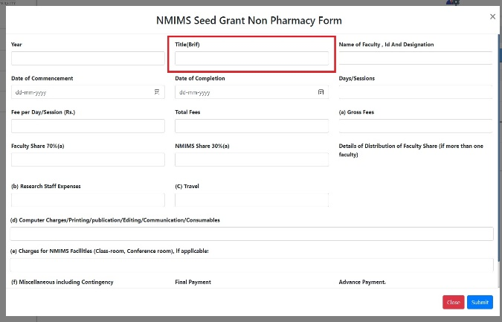 Low |  |  | Done
2 | Error under the field Date of Commencement. Error under the field is spelled as 'Date is requird'. | Error under the field Date of Commencement. Error under the field is spelled as 'Date is requird'. | 1.Open the URL http://localhost:3000/admin/dashboard 2.Enter valid username and valid password. 3.Click on Dasboard option in the left column. 3.Click Research Tile 4.Click NMIMS Seed Grant Non-pharmacy Tile 5.click on add button 6.do not fill Date of Commencement field and click on submit button. | It should be spelled correctly | It is not spelled correctly | Medium | Low | 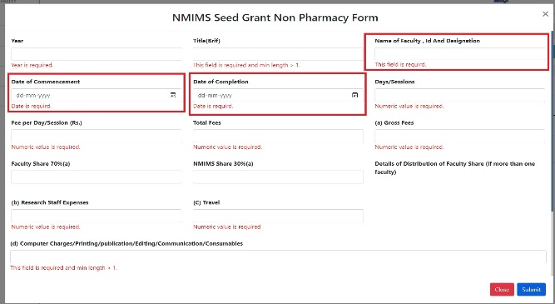 |  | Done
3 | Submit button is not responding |  |  |  |  | High |  |  |  | Due this functionaliity of submit button we are unable to test the CALCULATIONS of the further part in view mode
4 | Faculty Share 70%(a) allows alphabetic values | Faculty Share 70%(a) allows alphabetic values and no error is shown under the field | 1.Open the URL http://localhost:3000/admin/dashboard 2.Enter valid username and valid password. 3.Click on Dasboard option in the left column. 3.Click Research Tile 4.Click NMIMS Seed Grant Non-pharmacy Tile 5.click on add button 6. Fill alphabets in the Faculty Share 70%(a) field and click on submit button. | Faculty Share 70%(a) should not allow alphabetic values and Error under the field should be shown | Faculty Share 70%(a) allows alphabetic values Error under the field should be shown | Medium | 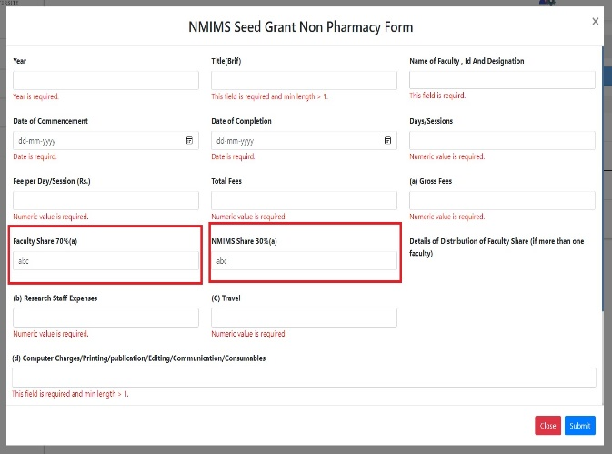 Low |  |  | Done
5 | NMIMS Share 30%(a) allows alphabetic values | NMIMS Share 30%(a) allows alphabetic values and no error is shown under the field | 1.Open the URL http://localhost:3000/admin/dashboard 2.Enter valid username and valid password. 3.Click on Dasboard option in the left column. 3.Click Research Tile 4.Click NMIMS Seed Grant Non-pharmacy Tile 5.click on add button 6. Fill alphabets in the NMIMS Share 30%(a) field and click on submit button. | NMIMS Share 30%(a) should not allow alphabetic values and Error under the field should be shown | NMIMS Share 30%(a) allows alphabetic values Error under the field should be shown | Medium | Low |  |  | Done
6 | Total count label disappears after performing search | Total count label disappears after performing search | 1.Open the URL http://localhost:3000/admin/dashboard 2.Enter valid username and valid password. 3.Click on Dasboard option in the left column. 3.Click Research Tile 4.Click NMIMS Seed Grant Non-pharmacy Tile 5.click on add button 6. Fill alphabets in the NMIMS Share 30%(a) field and click on submit button. | Total count label should not disappear after performing search | Total count label disappears after performing search | Medium | Low | 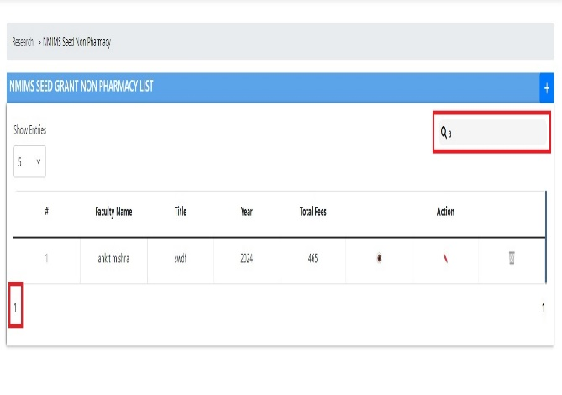 |  | Done
7 | Name of Faculty , Id And Designation field label is not as per the document | Name of Faculty , Id And Designation field label does not have ‘designation and address of contact person for client’ field as per the document | 1.Open the URL http://localhost:3000/admin/dashboard 2.Enter valid username and valid password. 3.Click on Dasboard option in the left column. 3.Click Research Tile 4.Click NMIMS Seed Grant Non-pharmacy Tile 5.click on add button | Field label should be as per the document | Field label is not as per the document | High | Low | 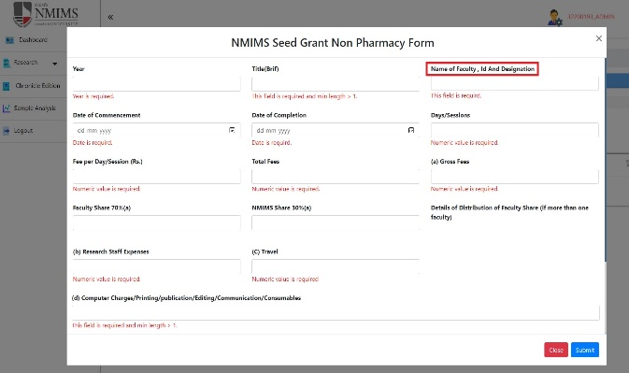 | 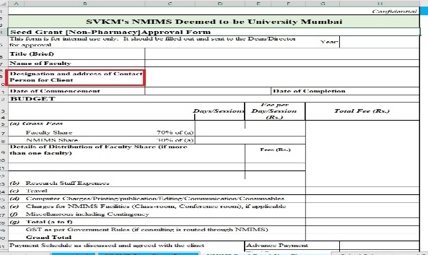 | Done
8 | Validation Error' alert window remains | Once we have the 'Validation Error' alert window after clicking the submit button then it does not disappear even when the add window is closed | 1.Open the URL http://localhost:3000/admin/dashboard 2.Enter valid username and valid password. 3.Click on Dasboard option in the left column. 3.Click Research Tile 4.Click NMIMS Seed Grant Non-pharmacy Tile 5.click on add button 6.Keep all the fields blank and click on submit button 7.press esc key on the keyboard | Validation Error' alert window should not remain | Validation Error' alert window remains when esc button is pressed | Medium | Low |  |  | Not Applicable
9 | Title of the form does not match in the document | Title NMIMS Seed Grant Non Pharmacy Form does not match in the document (Approval Form is Missing) | 1.Open the URL http://localhost:3000/admin/dashboard 2.Enter valid username and valid password. 3.Click on Dasboard option in the left column. 3.Click Research Tile 4.Click NMIMS Seed Grant Non-pharmacy Tile 5.click on add button | Title of the form should match in the document | Title of the form does not match in the document | High | Low | 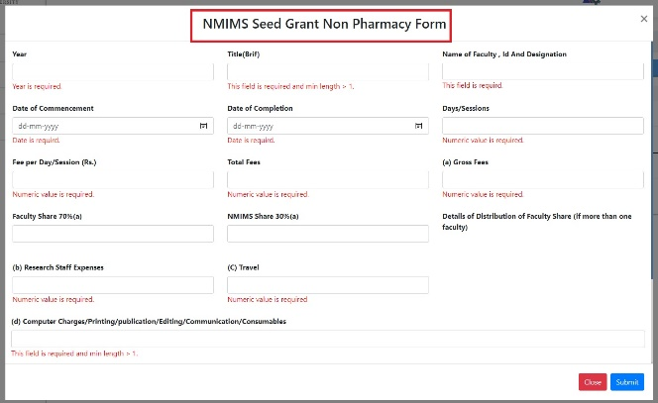 | 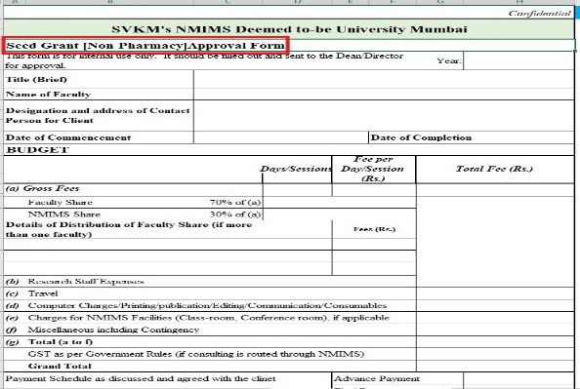 | Done
10 | Only label of the field is present | Details of Distribution of Faculty Share (if more than one faculty) field is incomplete, Only label of the field is present | 1.Open the URL http://localhost:3000/admin/dashboard 2.Enter valid username and valid password. 3.Click on Dasboard option in the left column. 3.Click Research Tile 4.Click NMIMS Seed Grant Non-pharmacy Tile 5.click on add button | Field should be complete | Field is not complete | High | Low | 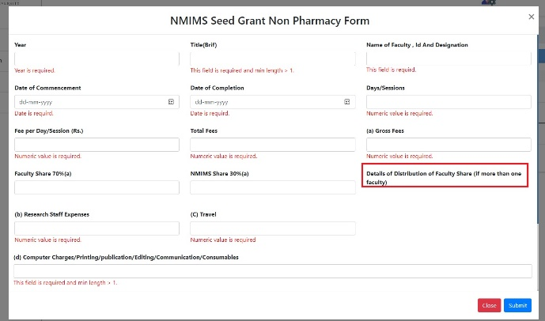 |  | Doubtful
11 | ‘Fields are missing in the form | ‘Total a to f’, GST as per government, ‘Grand Total’, ‘Payment schedule as discussed and agreed with client ‘, ‘Total payment’ fields are absent in the form as per the document | 1.Open the URL http://localhost:3000/admin/dashboard 2.Enter valid username and valid password. 3.Click on Dasboard option in the left column. 3.Click Research Tile 4.Click NMIMS Seed Grant Non-pharmacy Tile 5.click on add button | All the fields should be present | All the fields are not present | High | Low | 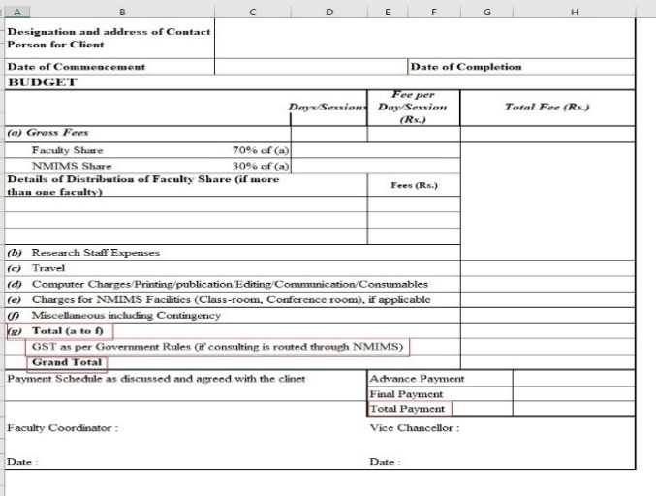 |  | Done
12 | Advance, Final, Total payment are not in order | Advance, Final, Total payment are not in order | 1.Open the URL http://localhost:3000/admin/dashboard 2.Enter valid username and valid password. 3.Click on Dasboard option in the left column. 3.Click Research Tile 4.Click NMIMS Seed Grant Non-pharmacy Tile 5.click on add button | Fields should be in order | Fields are not in in order | Medium | 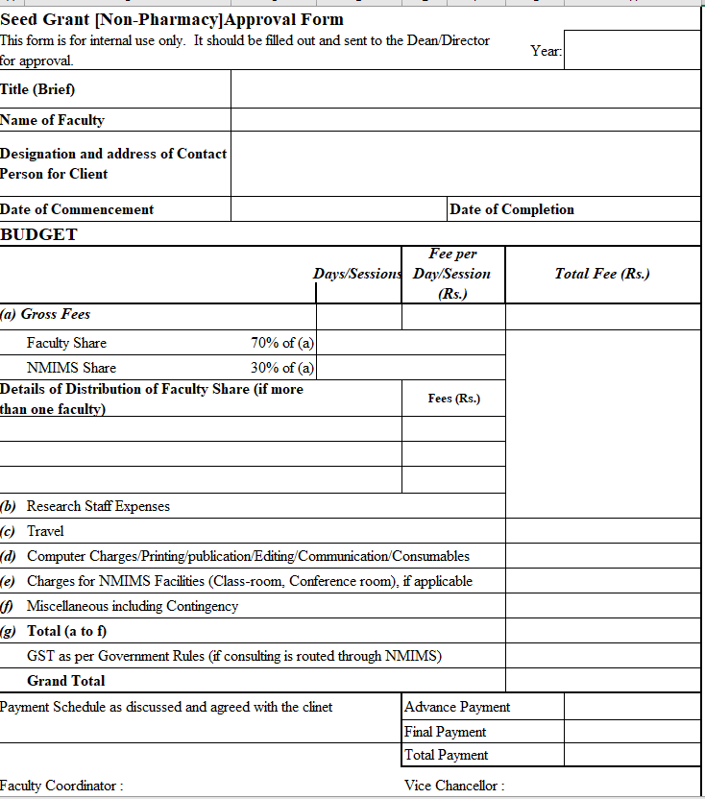 Low | 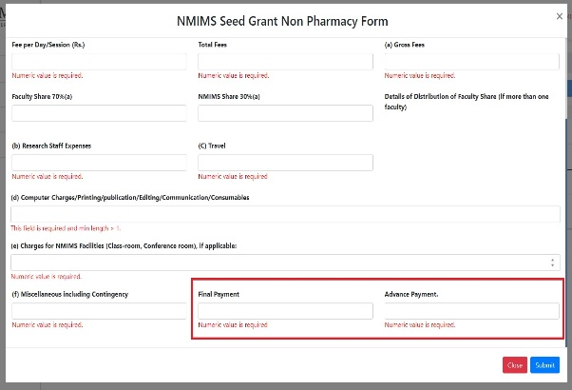 |  | Done
13 | Faculty coordinator and vice chancellor date field is not present | Faculty coordinator and vice chancellor date field is not present | 1.Open the URL http://localhost:3000/admin/dashboard 2.Enter valid username and valid password. 3.Click on Dasboard option in the left column. 3.Click Research Tile 4.Click NMIMS Seed Grant Non-pharmacy Tile 5.click on add button | Faculty coordinator and vice chancellor date field should be present | Faculty coordinator and vice chancellor date field is not present | Medium | Low |  |  | Doubtful
14 | Field value disappears when an entry is opened to edit | Name of Faculty , Id And Designation disappears when an entry is opened to edit | 1.Open the URL http://localhost:3000/admin/dashboard 2.Enter valid username and valid password. 3.Click on Dasboard option in the left column. 3.Click Research Tile 4.Click NMIMS Seed Grant Non-pharmacy Tile 5.click on edit button in fornt of an entry | Field value should not disappear when an entry is opened to edit | Field value disappears when an entry is opened to edit | High | Low | 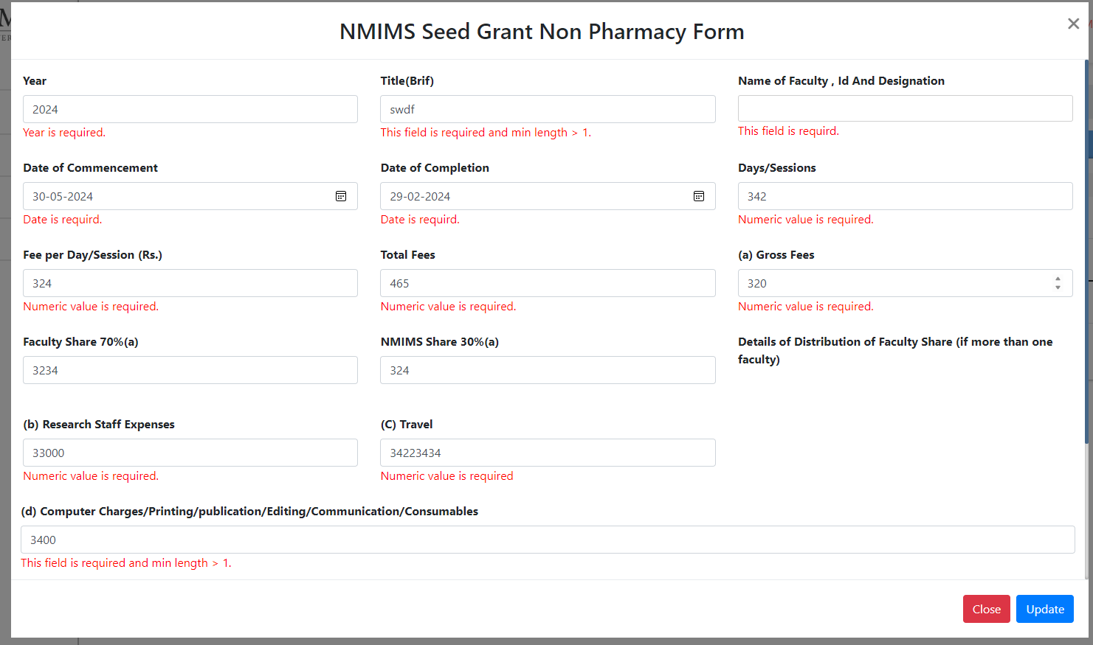
15 | Field value disappears when an entry is opened to edit | Days/session disappears when an entry is opened to edit | 1.Open the URL http://localhost:3000/admin/dashboard 2.Enter valid username and valid password. 3.Click on Dasboard option in the left column. 3.Click Research Tile 4.Click NMIMS Seed Grant Non-pharmacy Tile 5.click on edit button in fornt of an entry | Field value should not disappear when an entry is opened to edit | Field value disappears when an entry is opened to edit | High | Low |  |  | Done
16 | Error under the fields remain when closed and opened again when in add window | Error under the fields remain when closed and opened again when in in add window | 1.Open the URL http://localhost:3000/admin/dashboard 2.Enter valid username and valid password. 3.Click on Dasboard option in the left column. 3.Click Research Tile 4.Click NMIMS Seed Grant Non-pharmacy Tile 5.click on add button 6.keep all the fields blank and click on submit button 7.click on add button again | Error under the fields should not remain when closed and opened again when in add window | Error under the fields remain when closed and opened again when in add window | Medium | 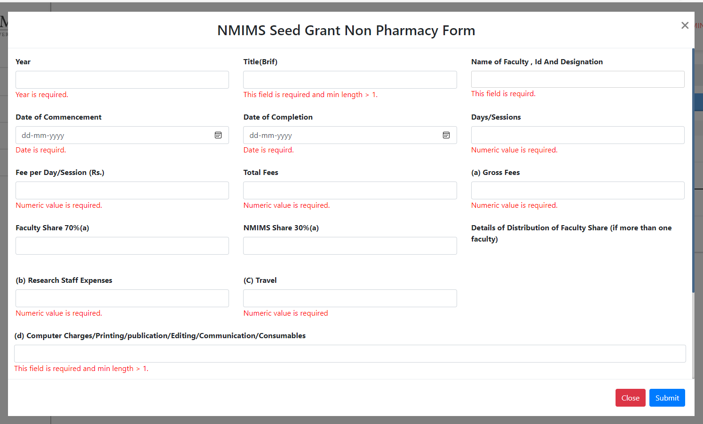 Low |  |  | Done
17 | Error under the fields remain when closed and opened again when in edit mode | Error under the fields remain when closed and opened again when in edit mode | 1.Open the URL http://localhost:3000/admin/dashboard 2.Enter valid username and valid password. 3.Click on Dasboard option in the left column. 3.Click Research Tile 4.Click NMIMS Seed Grant Non-pharmacy Tile 5.click on add button 6.keep some of the fields blank and click on submit button 7.click on edit button again | Error under the fields should not remain when closed and opened again when in edit mode | Error under the fields remain when closed and opened again when in edit mode | Medium | Low | 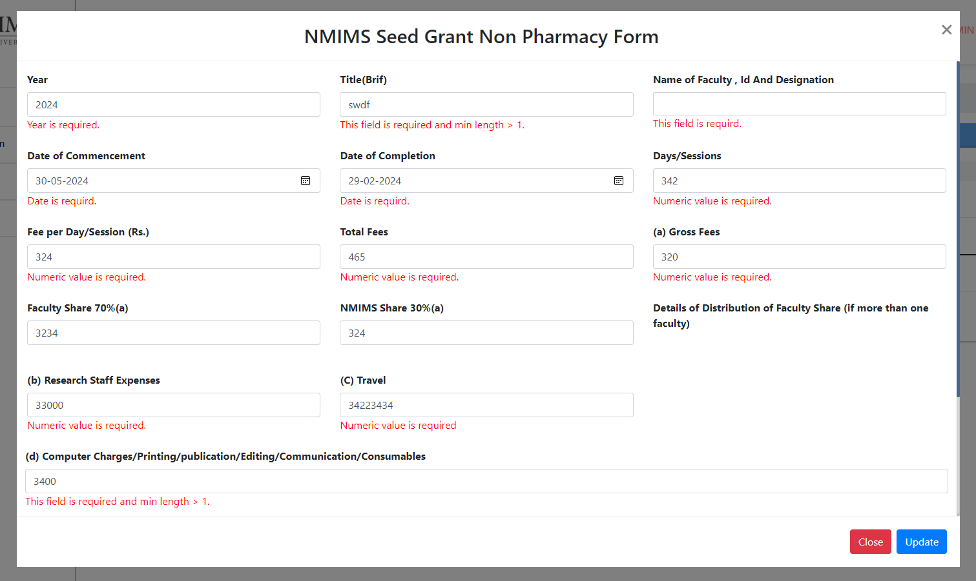 |  | Done
18 | Allowed to update without filling field from the edit mode | Value of Name of Faculty , Id And Designation disappears when opened in edit mode and we are allowed to update without filling that field again | 1.Open the URL http://localhost:3000/admin/dashboard 2.Enter valid username and valid password. 3.Click on Dasboard option in the left column. 3.Click Research Tile 4.Click NMIMS Seed Grant Non-pharmacy Tile 5.click on edit button in fornt of an entry 6.Click on the update button | should not be allowed to submit without filling the blank field which was filled at the time of adding the entry | Allowed to update without filling field from the edit mode | Medium | Low |  |  | Done
19 | Not able to update an entry when edited | Not able to update an entry when edited | 1.Open the URL http://localhost:3000/admin/dashboard 2.Enter valid username and valid password. 3.Click on Dasboard option in the left column. 3.Click Research Tile 4.Click NMIMS Seed Grant Non-pharmacy Tile 5.click on edit button in front of an entry, make changes 6.Click on the update button | we should be able to update an entry when edited | Not able to update an entry when edited | High | Low
20 | When search is performed, for no results total entries do not change | When search is performed, for no results total entries do not change | 1.Open the URL http://localhost:3000/admin/dashboard 2.Enter valid username and valid password. 3.Click on Dasboard option in the left column. 3.Click Research Tile 4.Click NMIMS Seed Grant Non-pharmacy Tile 5.perform search with invalid data | total entries should change | total entries do not change | Medium | Low |  |  | Done
21 | Original state is not reflected when search data is removed from the field | Original state is not reflected when search data is removed from the field | 1.Open the URL http://localhost:3000/admin/dashboard 2.Enter valid username and valid password. 3.Click on Dasboard option in the left column. 3.Click Research Tile 4.Click NMIMS Seed Grant Non-pharmacy Tile 5.perform search and then remove the data from the search | Original state should be reflected when search data is removed from the field | Original state is not reflected when search data is removed from the field | Medium | Low |  |  | Done
22 | In view mode First column of Budget table is empty | In view mode First column of Budget table is empty | 1.Open the URL http://localhost:3000/admin/dashboard 2.Enter valid username and valid password. 3.Click on Dasboard option in the left column. 3.Click Research Tile 4.Click NMIMS Seed Grant Non-pharmacy Tile 5.click on view mode in front of an entry | complete empty column should not be present | complete empty column is present | Medium | Low | 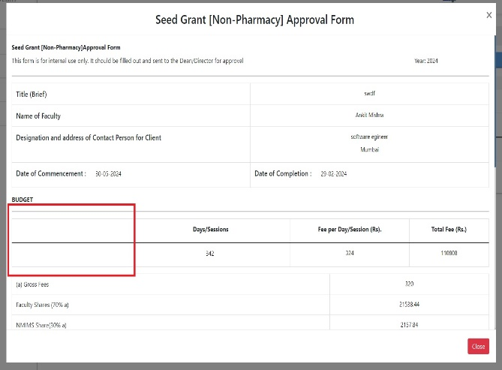 |  | Done
23 | NMIMS logo not performing any action | user is not taken to home page when clicked on the NMIMS logo in the top left | 1.Open the URL http://localhost:3000/admin/dashboard 2.Enter valid username and valid password. 3.Click on Dasboard option in the left column. 3.Click Research Tile 4.Click NMIMS Seed Grant Non-pharmacy Tile 5.click on NMIMS logo | user should be taken to home page when clicked on the NMIMS logo in the top left | we are not taken to home page when clicked on the NMIMS logo in the top left | High | Low |  |  | Done
24 | client is spelled wrong | client spelling is written as clinet in the end of the form | 1.Open the URL http://localhost:3000/admin/dashboard 2.Enter valid username and valid password. 3.Click on Dasboard option in the left column. 3.Click Research Tile 4.Click NMIMS Seed Grant Non-pharmacy Tile 5.click on NMIMS logo | client should be spelled wrong | client is spelled wrong | Medium | Low |  |  | Done
25 | Action column buttons should be in one column | Action column buttons should be in one column | 1.Open the URL http://localhost:3000/admin/dashboard 2.Enter valid username and valid password. 3.Click on Dasboard option in the left column. 3.Click Research Tile 4.Click NMIMS Seed Grant Non-pharmacy Tile | Action column buttons should be in one column | Action column buttons are not in one column | Medium | 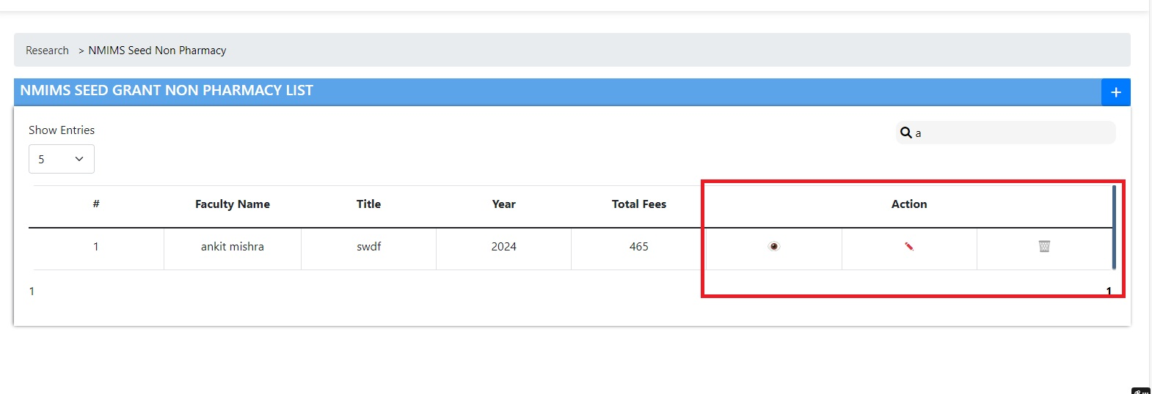 Low |  |  | Done
26 | Data is not shown properly when clicked the 2nd page of the pagination or onwards | Column names disappear when clicked the 2nd page of the pagination or onwards and data is not shown properly | 1.Open the URL http://localhost:3000/admin/dashboard 2.Enter valid username and valid password. 3.Click on Dasboard option in the left column. 3.Click Research Tile 4.Click NMIMS Seed Grant Non-pharmacy Tile 5.Click on the 2nd page of the pagination | Data should be shown in properly on all the pagination pages | Data is not shown in properly on all the pagination pages | High | Low |  |  | Done
27 | After performing search Data is not shown properly when clicked the 2nd page of the pagination of the pagination or onwards | After performing search Data is not shown properly, Column names disappear when clicked the 2nd page of the pagination or onwards and data is not shown properly | 1.Open the URL http://localhost:3000/admin/dashboard 2.Enter valid username and valid password. 3.Click on Dasboard option in the left column. 3.Click Research Tile 4.Click NMIMS Seed Grant Non-pharmacy Tile 5.Perform search 5.Click on the 2nd page of the pagination | Data should be shown in properly on all the pagination pages After performing search | Data is not shown in properly on all the pagination pages After performing search | High | Low |  |  | Done
28 | Error under the field Date of Commencement. Error under the field is spelled as 'Date is requird'. | Error under the field Date of Commencement. Error under the field is spelled as 'Date is requird'. | 1.Open the URL http://localhost:3000/admin/dashboard 2.Enter valid username and valid password. 3.Click on Dasboard option in the left column. 3.Click Research Tile 4.Click NMIMS Seed Grant Non-pharmacy Tile 5.click on add button 6.do not fill Date of Commencement field and click on submit button. | It should be spelled correctly | It is not spelled correctly | Medium | Low |  |  | Done
29 | Error under the field Date of Completion. Error under the field is spelled as 'Date is requird'. | Error under the field Date of Completion. Error under the field is spelled as 'Date is requird'. | 1.Open the URL http://localhost:3000/admin/dashboard 2.Enter valid username and valid password. 3.Click on Dasboard option in the left column. 3.Click Research Tile 4.Click NMIMS Seed Grant Non-pharmacy Tile 5.click on add button 6.do not fill Date of Completion field and click on submit button. | It should be spelled correctly | It is not spelled correctly | Medium | Low |  |  | Done
30 | Error under the field Name of Faculty , Id And Designation Error under the field is spelled as 'Date is requird'. | Error under the field Name of Faculty , Id And Designation Error under the field is spelled as 'Date is requird'. | 1.Open the URL http://localhost:3000/admin/dashboard 2.Enter valid username and valid password. 3.Click on Dasboard option in the left column. 3.Click Research Tile 4.Click NMIMS Seed Grant Non-pharmacy Tile 5.click on add button 6.do not fill Name of Faculty , Id And Designation field and click on submit button. | It should be spelled correctly | It is not spelled correctly | Medium | Low |  |  | Done
31 | No indication on the window that we are in edit mode | No indication on the window that we are in edit mode | 1.Open the URL http://localhost:3000/admin/dashboard 2.Enter valid username and valid password. 3.Click on Dasboard option in the left column. 3.Click Research Tile 4.Click Teaching Excellence Tile 5.Click on the edit button | Title should be present as 'Edit' in the window | Title is not present as 'Edit' in the window | Medium | Low |  |  | Done
32 | No indication on the window that we are in view mode | No indication on the window that we are in view mode | 1.Open the URL http://localhost:3000/admin/dashboard 2.Enter valid username and valid password. 3.Click on Dasboard option in the left column. 3.Click Research Tile 4.Click Teaching Excellence Tile 5.Click on the view button | Title should be presentas 'View' in the window | Title is not present as 'View' in the window | Medium | Low |  |  | Done

